Fig S3
A. BC1cult (F1 x L. sativa) (n=87)
 | freq cc | freq cw | chi-square | threshold p=0.003 | freq cc | freq cw | chi-square | threshold p=0.003
0 |  |  |  | 8.8 |  |  |  | 8.8
8 | 0.51282051282 | 0.48717948718 | 0.05 | 8.8 | 0.51282051282 | 0.48717948718 | 0.05 | 8.8
11.1 | 0.53086419753 | 0.46913580247 | 0.31 | 8.8 | 0.53086419753 | 0.46913580247 | 0.31 | 8.8
23.4 | 0.54320987654 | 0.45679012346 | 0.6 | 8.8 | 0.54320987654 | 0.45679012346 | 0.6 | 8.8
33.56 | 0.56790123457 | 0.43209876543 | 1.49 | 8.8 | 0.56790123457 | 0.43209876543 | 1.49 | 8.8
39.079 | 0.54794520548 | 0.45205479452 | 0.67 | 8.8 | 0.54794520548 | 0.45205479452 | 0.67 | 8.8
51 | 0.49382716049 | 0.50617283951 | 0.01 | 8.8 | 0.49382716049 | 0.50617283951 | 0.01 | 8.8
59.759 | 0.44444444444 | 0.55555555556 | 1 | 8.8 | 0.44444444444 | 0.55555555556 | 1 | 8.8
94.023 | 0.42666666667 | 0.57333333333 | 1.61 | 8.8 | 0.42666666667 | 0.57333333333 | 1.61 | 8.8
100 |  |  |  | 8.8 |  |  |  | 8.8
127.405 | 0.4625 | 0.5375 | 0.45 | 8.8 | 0.4625 | 0.5375 | 0.45 | 8.8
131 | 0.4625 | 0.5375 | 0.45 | 8.8 | 0.4625 | 0.5375 | 0.45 | 8.8
137.6 | 0.47435897436 | 0.52564102564 | 0.21 | 8.8 | 0.47435897436 | 0.52564102564 | 0.21 | 8.8
158.658 | 0.49382716049 | 0.50617283951 | 0.01 | 8.8 | 0.49382716049 | 0.50617283951 | 0.01 | 8.8
165.3 | 0.51898734177 | 0.48101265823 | 0.11 | 8.8 | 0.51898734177 | 0.48101265823 | 0.11 | 8.8
175.714 | 0.46153846154 | 0.53846153846 | 0.46 | 8.8 | 0.46153846154 | 0.53846153846 | 0.46 | 8.8
195.117 | 0.45679012346 | 0.54320987654 | 0.6 | 8.8 | 0.45679012346 | 0.54320987654 | 0.6 | 8.8
209.603 | 0.48 | 0.52 | 0.12 | 8.8 | 0.48 | 0.52 | 0.12 | 8.8
217.6 | 0.45679012346 | 0.54320987654 | 0.6 | 8.8 | 0.45679012346 | 0.54320987654 | 0.6 | 8.8
220.907 | 0.4625 | 0.5375 | 0.45 | 8.8 | 0.4625 | 0.5375 | 0.45 | 8.8
227.438 | 0.50617283951 | 0.49382716049 | 0.01 | 8.8 | 0.50617283951 | 0.49382716049 | 0.01 | 8.8
240 |  |  |  | 8.8 |  |  |  | 8.8
251 | 0.58024691358 | 0.41975308642 | 2.09 | 8.8 | 0.58024691358 | 0.41975308642 | 2.09 | 8.8
258.2 | 0.55555555556 | 0.44444444444 | 1 | 8.8 | 0.55555555556 | 0.44444444444 | 1 | 8.8
279.822 | 0.48717948718 | 0.51282051282 | 0.05 | 8.8 | 0.48717948718 | 0.51282051282 | 0.05 | 8.8
302.8 | 0.4125 | 0.5875 | 2.45 | 8.8 | 0.4125 | 0.5875 | 2.45 | 8.8
316.085 | 0.37037037037 | 0.62962962963 | 5.44 | 8.8 | 0.37037037037 | 0.62962962963 | 5.44 | 8.8
321.634 | 0.36708860759 | 0.63291139241 | 5.58 | 8.8 | 0.36708860759 | 0.63291139241 | 5.58 | 8.8
327.675 | 0.3375 | 0.6625 | 8.45 | 8.8 | 0.3375 | 0.6625 | 8.45 | 8.8
338.383 | 0.33333333333 | 0.66666666667 | 9 | 8.8 | 0.33333333333 | 0.66666666667 | 9 | 8.8
350 | 0.37037037037 | 0.62962962963 | 5.44 | 8.8 | 0.37037037037 | 0.62962962963 | 5.44 | 8.8
360 |  |  |  | 8.8 |  |  |  | 8.8
375.1 | 0.24691358025 | 0.75308641975 | 20.75 | 8.8 | 0.24691358025 | 0.75308641975 | 20.75 | 8.8
377.883 | 0.24691358025 | 0.75308641975 | 20.75 | 8.8 | 0.24691358025 | 0.75308641975 | 20.75 | 8.8
388.243 | 0.37837837838 | 0.62162162162 | 4.38 | 8.8 | 0.37837837838 | 0.62162162162 | 4.38 | 8.8
413.93 | 0.38271604938 | 0.61728395062 | 4.46 | 8.8 | 0.38271604938 | 0.61728395062 | 4.46 | 8.8
419.582 | 0.4125 | 0.5875 | 2.45 | 8.8 | 0.4125 | 0.5875 | 2.45 | 8.8
430.439 | 0.42465753425 | 0.57534246575 | 1.66 | 8.8 | 0.42465753425 | 0.57534246575 | 1.66 | 8.8
448 | 0.42857142857 | 0.57142857143 | 1.57 | 8.8 | 0.42857142857 | 0.57142857143 | 1.57 | 8.8
459.7 | 0.46153846154 | 0.53846153846 | 0.46 | 8.8 | 0.46153846154 | 0.53846153846 | 0.46 | 8.8
481.6 | 0.55 | 0.45 | 0.8 | 8.8 | 0.55 | 0.45 | 0.8 | 8.8
513.239 | 0.43209876543 | 0.56790123457 | 1.49 | 8.8 | 0.43209876543 | 0.56790123457 | 1.49 | 8.8
531.492 | 0.4625 | 0.5375 | 0.45 | 8.8 | 0.4625 | 0.5375 | 0.45 | 8.8
540 |  |  |  | 8.8 |  |  |  | 8.8
550.914 | 0.47297297297 | 0.52702702703 | 0.22 | 8.8 | 0.47297297297 | 0.52702702703 | 0.22 | 8.8
571.965 | 0.44736842105 | 0.55263157895 | 0.84 | 8.8 | 0.44736842105 | 0.55263157895 | 0.84 | 8.8
578.752 | 0.43209876543 | 0.56790123457 | 1.49 | 8.8 | 0.43209876543 | 0.56790123457 | 1.49 | 8.8
592.4 | 0.5 | 0.5 | 0 | 8.8 | 0.5 | 0.5 | 0 | 8.8
595.7 | 0.45454545455 | 0.54545454545 | 0.64 | 8.8 | 0.45454545455 | 0.54545454545 | 0.64 | 8.8
611.222 | 0.46913580247 | 0.53086419753 | 0.31 | 8.8 | 0.46913580247 | 0.53086419753 | 0.31 | 8.8
...

B. BC1wild (F1 x L. saligna) (n=33)
 | freq ww | freq cw | chi-square | threshold p=0.003
0 |  |  |  | 8.8
8 | 0.57575757576 | 0.42424242424 | 0.76 | 8.8
11.1 | 0.57575757576 | 0.42424242424 | 0.76 | 8.8
23.4 | 0.51515151515 | 0.48484848485 | 0.03 | 8.8
33.56 | 0.51515151515 | 0.48484848485 | 0.03 | 8.8
39.079 | 0.48484848485 | 0.51515151515 | 0.03 | 8.8
51 | 0.39393939394 | 0.60606060606 | 1.48 | 8.8
59.759 | 0.39393939394 | 0.60606060606 | 1.48 | 8.8
94.023 | 0.63636363636 | 0.36363636364 | 2.45 | 8.8
100 |  |  |  | 8.8
127.405 | 0.45454545455 | 0.54545454545 | 0.27 | 8.8
131 | 0.45454545455 | 0.54545454545 | 0.27 | 8.8
137.6 | 0.5 | 0.5 | 0 | 8.8
158.658 | 0.39393939394 | 0.60606060606 | 1.48 | 8.8
165.3 | 0.30303030303 | 0.69696969697 | 5.12 | 8.8
175.714 | 0.24242424242 | 0.75757575758 | 8.76 | 8.8
195.117 | 0.33333333333 | 0.66666666667 | 3.67 | 8.8
209.603 | 0.39285714286 | 0.60714285714 | 1.29 | 8.8
220.907 | 0.48484848485 | 0.51515151515 | 0.03 | 8.8
227.438 | 0.51515151515 | 0.48484848485 | 0.03 | 8.8
240 |  |  |  | 8.8
251 | 0.51515151515 | 0.48484848485 | 0.03 | 8.8
258.2 | 0.51515151515 | 0.48484848485 | 0.03 | 8.8
279.822 | 0.57575757576 | 0.42424242424 | 0.76 | 8.8
302.8 | 0.57575757576 | 0.42424242424 | 0.76 | 8.8
316.085 | 0.54545454545 | 0.45454545455 | 0.27 | 8.8
321.634 | 0.65625 | 0.34375 | 3.12 | 8.8
329.574 | 0.69696969697 | 0.30303030303 | 5.12 | 8.8
338.383 | 0.76666666667 | 0.23333333333 | 8.53 | 8.8
350 | 0.75757575758 | 0.24242424242 | 8.76 | 8.8
360 |  |  |  | 8.8
375.1 | 0.51515151515 | 0.48484848485 | 0.03 | 8.8
377.883 | 0.60606060606 | 0.39393939394 | 1.48 | 8.8
388.243 | 0.66666666667 | 0.33333333333 | 3.67 | 8.8
419.582 | 0.63636363636 | 0.36363636364 | 2.45 | 8.8
430.439 | 0.66666666667 | 0.33333333333 | 3.67 | 8.8
448 | 0.57575757576 | 0.42424242424 | 0.76 | 8.8
459.7 | 0.63636363636 | 0.36363636364 | 2.45 | 8.8
481.6 | 0.51515151515 | 0.48484848485 | 0.03 | 8.8
513.239 | 0.48484848485 | 0.51515151515 | 0.03 | 8.8
531.492 | 0.39393939394 | 0.60606060606 | 1.48 | 8.8
540 |  |  |  | 8.8
550.914 | 0.45454545455 | 0.54545454545 | 0.27 | 8.8
571.965 | 0.45454545455 | 0.54545454545 | 0.27 | 8.8
578.752 | 0.54545454545 | 0.45454545455 | 0.27 | 8.8
592.4 | 0.57575757576 | 0.42424242424 | 0.76 | 8.8
595.7 | 0.57575757576 | 0.42424242424 | 0.76 | 8.8
611.222 | 0.60606060606 | 0.39393939394 | 1.48 | 8.8
624.63 | 0.57575757576 | 0.42424242424 | 0.76 | 8.8
647.868 | 0.78787878788 | 0.21212121212 | 10.94 | 8.8
...

C. F2 ( L. saligna x L. sativa) (n=126))
 | freq cc | freq ww | freq cw | chi-square | threshold p=0.003
0 | 0.26890756303 | 0.23529411765 | 0.49579831933 | 0.28 | 11.6
1.2 | 0.27049180328 | 0.20491803279 | 0.52459016393 | 1.34 | 11.6
3.748 | 0.27118644068 | 0.19491525424 | 0.53389830508 | 1.92 | 11.6
5.933 | 0.25833333333 | 0.2 | 0.54166666667 | 1.65 | 11.6
10.739 | 0.29661016949 | 0.23728813559 | 0.46610169492 | 1.37 | 11.6
12.651 | 0.29508196721 | 0.22950819672 | 0.47540983607 | 1.34 | 11.6
15.473 | 0.29464285714 | 0.25 | 0.45535714286 | 1.34 | 11.6
20.295 | 0.31355932203 | 0.23728813559 | 0.44915254237 | 2.59 | 11.6
23.4 | 0.33064516129 | 0.22580645161 | 0.4435483871 | 4.31 | 11.6
23.808 | 0.33944954128 | 0.24770642202 | 0.4128440367 | 5.15 | 11.6
24.417 | 0.33928571429 | 0.22321428571 | 0.4375 | 4.77 | 11.6
30.946 | 0.33898305085 | 0.22033898305 | 0.4406779661 | 4.98 | 11.6
33.56 | 0.31967213115 | 0.19672131148 | 0.48360655738 | 3.82 | 11.6
35.441 | 0.33628318584 | 0.20353982301 | 0.46017699115 | 4.7 | 11.6
38.839 | 0.3025210084 | 0.2268907563 | 0.47058823529 | 1.77 | 11.6
39.079 | 0.30081300813 | 0.21951219512 | 0.47967479675 | 1.83 | 11.6
43.778 | 0.35294117647 | 0.22549019608 | 0.42156862745 | 5.82 | 11.6
45.665 | 0.3025210084 | 0.21848739496 | 0.47899159664 | 1.89 | 11.6
50.22 | 0.30909090909 | 0.15454545455 | 0.53636363636 | 5.84 | 11.6
51 | 0.30701754386 | 0.16666666667 | 0.52631578947 | 4.81 | 11.6
53.45 | 0.27419354839 | 0.17741935484 | 0.54838709677 | 3.48 | 11.6
55.678 | 0.29411764706 | 0.15966386555 | 0.54621848739 | 5.32 | 11.6
59.759 | 0.22580645161 | 0.16935483871 | 0.60483870968 | 6.24 | 11.6
61.617 | 0.2268907563 | 0.19327731092 | 0.57983193277 | 3.3 | 11.6
63.386 | 0.24561403509 | 0.19298245614 | 0.56140350877 | 2.35 | 11.6
68.8 | 0.23966942149 | 0.19008264463 | 0.57024793388 | 2.98 | 11.6
76.583 | 0.21008403361 | 0.24369747899 | 0.54621848739 | 1.29 | 11.6
81.711 | 0.18260869565 | 0.25217391304 | 0.5652173913 | 3.07 | 11.6
86.052 | 0.16363636364 | 0.26363636364 | 0.57272727273 | 4.53 | 11.6
86.547 | 0.17796610169 | 0.24576271186 | 0.57627118644 | 3.83 | 11.6
87.958 | 0.14634146341 | 0.26016260163 | 0.59349593496 | 7.49 | 11.6
91.126 | 0.16379310345 | 0.25862068966 | 0.5775862069 | 4.88 | 11.6
92.028 | 0.16806722689 | 0.26890756303 | 0.56302521008 | 4.31 | 11.6
96.3 | 0.15789473684 | 0.28070175439 | 0.56140350877 | 5.16 | 11.6
96.533 | 0.14782608696 | 0.26956521739 | 0.58260869565 | 6.55 | 11.6
97.421 | 0.1512605042 | 0.26050420168 | 0.58823529412 | 6.55 | 11.6
100 |  |  |  |  | 11.6
122.421 | 0.26495726496 | 0.18803418803 | 0.54700854701 | 2.42 | 11.6
124.826 | 0.30081300813 | 0.18699186992 | 0.51219512195 | 3.26 | 11.6
129.921 | 0.26548672566 | 0.18584070796 | 0.54867256637 | 2.5 | 11.6
135.021 | 0.27642276423 | 0.14634146341 | 0.57723577236 | 7.1 | 11.6
138.92 | 0.29310344828 | 0.1724137931 | 0.53448275862 | 3.93 | 11.6
142.349 | 0.27118644068 | 0.17796610169 | 0.55084745763 | 3.27 | 11.6
147.617 | 0.30701754386 | 0.19298245614 | 0.5 | 2.96 | 11.6
155.158 | 0.29310344828 | 0.19827586207 | 0.50862068966 | 2.12 | 11.6
155.903 | 0.30088495575 | 0.20353982301 | 0.49557522124 | 2.15 | 11.6
156.079 | 0.29032258065 | 0.17741935484 | 0.53225806452 | 3.68 | 11.6
158.22 | 0.27731092437 | 0.19327731092 | 0.52941176471 | 2.09 | 11.6
159.967 | 0.29914529915 | 0.19658119658 | 0.50427350427 | 2.47 | 11.6
166.081 | 0.28947368421 | 0.19298245614 | 0.51754385965 | 2.26 | 11.6
...

LG1 LG2 LG3 LG4 LG5 LG6 LG7 LG8 LG9

Figure S3. Comparison of genotype frequencies and TRD per marker in two BC1 and one F2 population of the cross L. saligna CGN05271 x L. sativa cv Olof
Black dots above the dashed threshold line indicate TRD with deviation from Mendelian segregation (p<0.003; BC1 Chi2 > 8.8; F2 Chi2 > 11.6).
Arrows indicate peak loci with significant transmission ratio distortion (TRDL) with a bias towards L. sativa (in blue) or towards L. saligna (in red).
For the F2 population: single-headed arrows refer to non-distortion of heterozygotes frequency, i. e. indication of gametophytic barrier; and double-headed arrows point at TRDL with distortion of heterozygote frequency, i. e. indication of zygotic barrier.
X-axis: nine linkage groups in cM separated by white space. freq = frequency. Genetic nomenclature: 'cc'= homozygous L. sativa (blue), 'cw'= heterozygous (yellow), 'ww'= homozygous L. saligna (red).
(A) BC1cult: F1 backcrossed to L. sativa
(B) BC1wild: F1 backcrossed to L. saligna
(C) F2 population

Fig S4
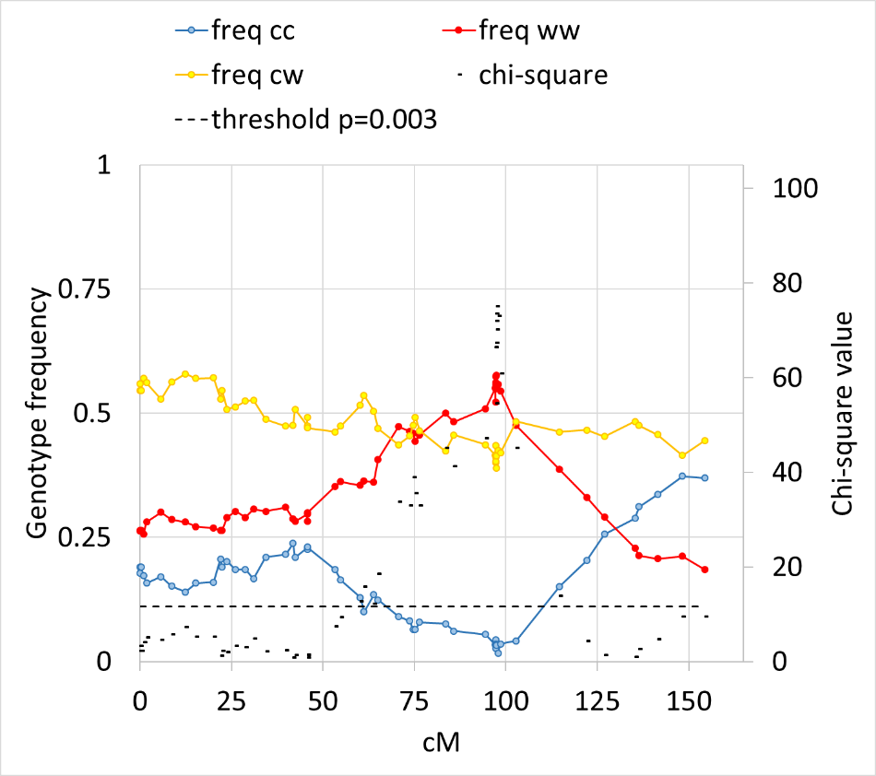
A

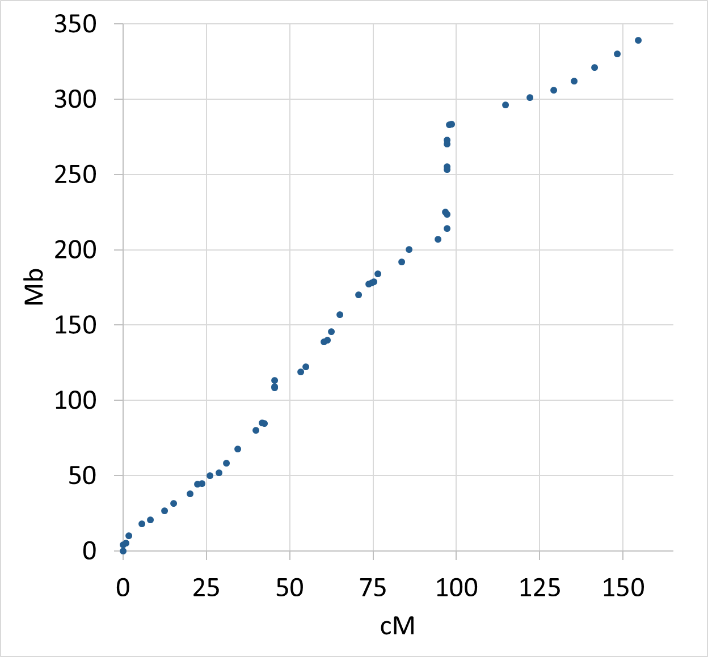
B

Figure S4. Colocation of a transmission ratio distortion locus (TRDL) and a recombination cold spot on LG5.
(A) Genotype frequency of L. saligna (red), heterozygous (yellow), L. sativa (blue) and TRD per marker in an F2 population of L. saligna CGN05271 x L. sativa cv Olof.
Black dots above the dashed threshold line indicate TRD with a deviation from Mendelian segregation (p<0.003)
(B) Plot of physical map ( L. sativa v8; Mb) versus F2 linkage map (cM). It shows a lack of recombination around 98 cM, the same region that showed a severe TRD.

