Table 5
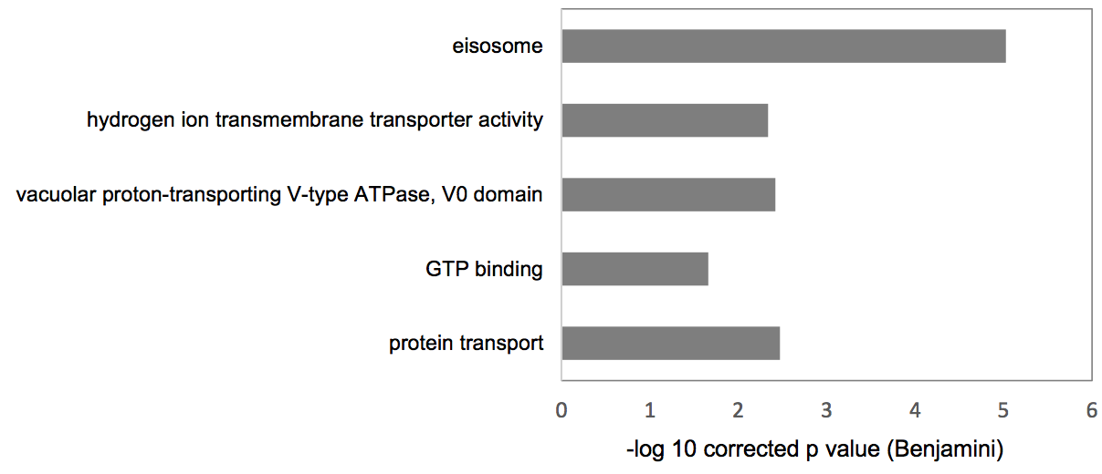
Table 5. David analysis of gene enrichment from both genome-wide screens
Category | Term | Pathways | Count | % | PValue | Genes | List Total | Pop Hits | Pop Total | Fold Enrichment | Bonferroni | Benjamini | FDR | Negativelog10Benjamini
GOTERM_BP_DIRECT | GO:0015031~protein transport | protein transport | 6 | 0.99173553719 | 8.27E-05 | ATG21, ARF1, NCE102 | 23 | 122 | 5681 | 12.147540984 | 0.0033839647469 | 0.0033839647469 | 0.076054924591 | 2.47057417
GOTERM_MF_DIRECT | GO:0005525~GTP binding | GTP binding | 4 | 0.66115702479 | 0.0055290941747 | ARF1, CDC10 | 15 | 163 | 6084 | 9.9533742331 | 0.043386169198 | 0.021933626587 | 2.9897326196 | 1.6588895545
GOTERM_CC_DIRECT | GO:0000220~vacuolar proton-transporting V-type ATPase, V0 domain | vacuolar proton-transporting V-type ATPase, V0 domain | 3 | 0.4958677686 | 3.84E-04 | VPH1 | 22 | 10 | 6961 | 94.922727273 | 0.0076612285219 | 0.0038379793035 | 0.29223961335 | 2.4158973715
GOTERM_MF_DIRECT | GO:0015078~hydrogen ion transmembrane transporter activity | hydrogen ion transmembrane transporter activity | 3 | 0.4958677686 | 5.79E-04 | VPH1 | 15 | 16 | 6084 | 76.05 | 0.0046254551101 | 0.0046254551101 | 0.31676086464 | 2.3348455295
GOTERM_CC_DIRECT | GO:0032126~eisosome | eisosome | 4 | 0.66115702479 | 4.71E-07 | SUR7, NCE102 | 22 | 6 | 6961 | 210.93939394 | 9.41E-06 | 9.41E-06 | 3.58E-04 | 5.0262970581

