HCA
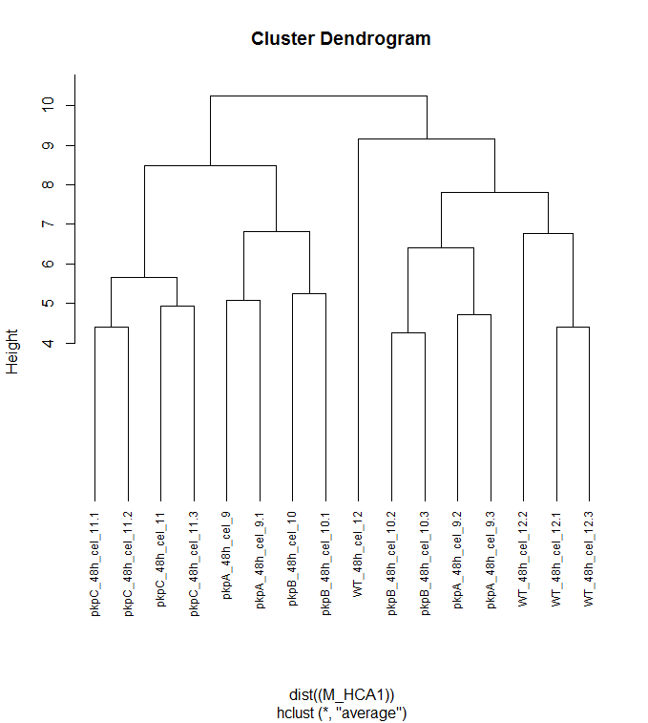

pKpC

pKpB
WT
pKpA
pKpA
pKpB
WT

Loadings
% | 0.4 | 0.21 | 0.11 | 0.07 | 0.07
 | PC1 | PC2 | PC3 | PC4 | PC5 | negative | Metabolites responsible for the separation of PC1 (axis x). In this case, it separates pKp mutants x WT
Lactate | 0.081051506402 | -0.41258122741 | 0.12699671596 | 0.061937722292 | -0.19956506258 | positive
Similar to 2-Hydroxypyridine | 0.029411295577 | 0.023022607223 | 0.029077589062 | -0.031726366307 | -0.0091707972011
Similar to Glycolate | -0.061719776275 | -0.06717188644 | 0.011367915727 | -0.079677508518 | -0.13817548003 | negative | Metabolites responsible for the separation of PC2 (axis y). In this case, it separates mainly pKpC and WT from the others
Alanine | 0.069607060193 | -0.079237213864 | 0.11248467939 | 0.0017728910552 | 0.11660930876 | positive
Pyruvate | 0.10754510127 | -0.10040030982 | 0.16751751648 | 0.12529183431 | 0.016027998011
Valine | -0.015245343361 | -0.069225324239 | 0.13963118429 | 0.092691355465 | -0.044422561453
Glycerol | -0.050236165184 | 0.085353206142 | -0.04511918526 | -0.18068979546 | -0.069019663158
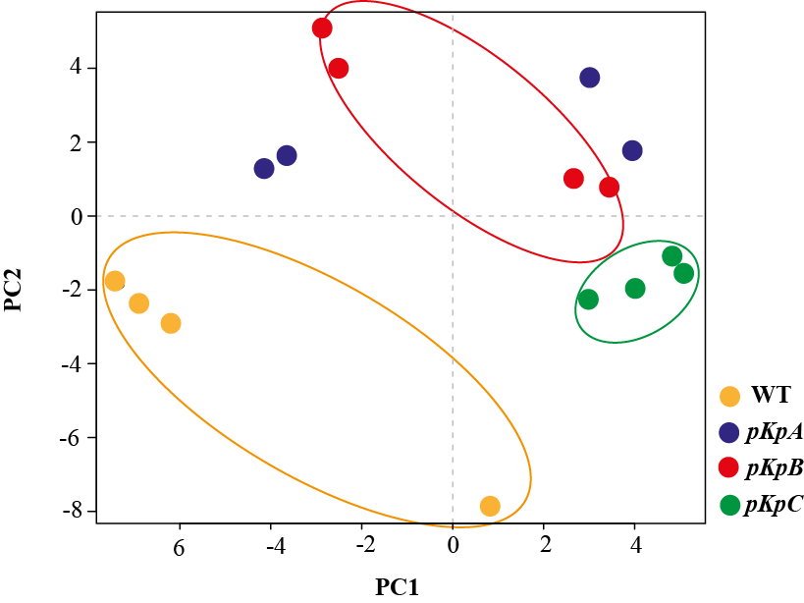
Leucine | 0.0039105346838 | 0.020694400274 | 0.1284978228 | 0.037715791607 | -0.051125298257
Isoleucine | -0.015323139358 | -0.018626358119 | 0.095798889437 | 0.064695515032 | -0.015840424503
Glycine | -0.048934283511 | -0.072052888526 | 0.040887496993 | -0.073702499686 | 0.058233458186
Orthophosphate | -0.14981827805 | 0.029147928122 | 0.056971961879 | -0.095550604698 | 0.041423316932
Proline | 0.0082068515561 | -0.0086393870174 | -0.0029357583785 | 0.067959915779 | -0.031933062784
Glycerate | -0.084903176441 | 0.050419650474 | 0.1273263267 | -0.095598193878 | -0.011387427068
Serine | -0.11591224566 | -0.052915275271 | 0.13712922294 | -0.025645556444 | 0.05555298639
Similar to Riboflavin | -0.066650837566 | 0.016831226694 | -0.07355018772 | 0.077782952131 | 0.15580301842
Succinate | 0.38379814816 | -0.13386499501 | -0.084313354462 | 0.073955069882 | -0.22943751161
Threonine | -0.14808477733 | -0.13303133207 | 0.11578974133 | -0.012206174476 | 0.0043927746038
C4H4O4 [Fumarate|Maleate] | 0.19722890904 | -0.0085796325594 | -0.074881061338 | 0.078003609989 | -0.10274290479
Nicotinate | 0.041145814837 | 0.10331938178 | -0.036962296885 | -0.046884512107 | -0.079973973122
Uracil | -0.1695456502 | -0.031330079363 | 0.23418341782 | -0.11750072586 | -0.061472075381
Similar to Tartronate | -0.21782499196 | -0.13684550311 | 0.27378507423 | 0.2004212674 | 0.083845097768
Thymine | -0.20823861091 | -0.004925806671 | 0.075373311857 | -0.024539538011 | -0.097368054792
Similar to Citramalate | 0.052920493036 | 0.098203696061 | 0.10057732122 | 0.027166274584 | 0.0016098023326
Malate | 0.15052731336 | 0.067025678504 | -0.11497163694 | 0.048209873087 | -0.15303399723
4-Aminobutanoate | 0.13969221884 | -0.025971498429 | -0.092667238099 | 0.21962916718 | 0.11685815837
Aspartate | -0.03248374211 | 0.14335349006 | 0.094964157876 | -0.083469224656 | 0.02346517413
Iminodiacetate | -0.26416650683 | -0.038322907354 | -0.21933672735 | 0.11258736141 | -0.35009279726
Asparagine | -0.031380009222 | -0.022670520823 | -0.10111768107 | -0.10360345099 | -0.14356388155
Methionine | 0.0014045943789 | 0.018330092584 | 0.0022219512222 | 0.014806073169 | -0.077377373735
Cysteine | -0.14549340936 | 0.065929017432 | -0.089869522801 | 0.021040600259 | -0.13936463077
Lyxose | -0.024426317053 | 0.10878737369 | -0.05046891596 | -0.017443524719 | -0.038870275139
Arginine | 0.072789912308 | -0.024913931569 | -0.2627297686 | 0.11232498958 | 0.059548509281
Ornithine | 0.11281848405 | -0.046504988502 | -0.24735453434 | 0.080428313402 | 0.050973896333
C5H10O5 [Xylose|Arabinose|Lyxose] | -0.073592485762 | 0.13168727416 | -0.050454124461 | 0.061846318846 | 0.0521113405
Similar to Xylitol | 0.22566324146 | 0.20279380046 | 0.1546385519 | -0.1567051403 | 0.10276101026
(r|x) C5H10O5 [Ribose|Ribulose] | 0.033539446672 | 0.13571973644 | 0.13382830879 | -0.052121263244 | 0.016372886718
(r|x) C5H12O5 [Ribitol|Arabitol] | 0.1826195855 | 0.042233422288 | 0.14785738712 | 0.30159154246 | -0.35190618126
5-Oxoproline | -0.026559464346 | 0.0036349879733 | 0.0514663668 | -0.038952324804 | 0.0079139386464
Glutamate | -0.019344416309 | 0.030233134794 | 0.016835290053 | -0.071272238466 | 0.10005271056
Similar to Nicotinamide | -0.11308543432 | 0.010491556986 | -0.025315585651 | 0.4252097465 | 0.32843485441
Ketoglutarate | 0.089877552748 | 0.071057043617 | 0.0034984970724 | 0.076168491746 | -0.039311846526
Phenylalanine | -0.017670628489 | 0.081954889618 | 0.035220789714 | 0.029135268347 | -0.038548589392
4-Hydroxybenzoate | 0.0053020428914 | 0.090749309028 | -0.081699994559 | -0.05430117115 | -0.1174748295
Agmatine | -0.11808199448 | 0.065280559678 | -0.01841132873 | -0.0020834292166 | -0.067231660479
Similar to Glycerol-3-P | -0.15549622582 | 0.094343190964 | -0.098283367657 | -0.016434765526 | 0.058387075299
Fructose [|Psicose] | -0.070456894321 | 0.014209972411 | -0.094611714488 | -0.074050548098 | 0.096970663097
Citrate | -0.13050688302 | 0.045694893588 | 0.14903502062 | 0.020431707002 | -0.067625192726
Glutamine | -0.062459330419 | -0.16388530173 | -0.02930259294 | 0.15741472213 | -0.062248765178
Glucose | -0.070456894321 | 0.014209972411 | -0.094611714488 | -0.074050548098 | 0.096970663097
Lysine | -0.040106953065 | -0.10638126915 | -0.093191566339 | -0.05622297238 | 0.066284592262
Glucuronate | 0.20379854011 | -0.5073355849 | 0.026060401383 | -0.27184900037 | 0.045763241955
Galacturonate|Gluconate | 0.075666359769 | -0.093201191654 | -0.13316422772 | -0.13498198933 | 0.048415362491
Similar to Pyridoxine | 0.020653388582 | 0.01042864365 | 0.082923299125 | -0.12089687557 | -0.059898725744
myo-Inositol | -0.12434362257 | 0.042806563757 | -0.034924530381 | 0.010174039023 | -0.0090692492405
Tyrosine | 0.014450005883 | -0.069496377749 | -0.12257710511 | -0.12982500774 | 0.093562086239
Histidine | -0.009535180723 | -0.20631129637 | -0.37556905997 | -0.077113333791 | 0.20476951742
Adenine | -0.10187776295 | -0.21959924582 | 0.080843460283 | -0.2072570081 | 0.0071664310031
Spermidine | -0.046132999187 | -0.10210433759 | 0.036342988096 | 0.0080767361175 | -0.034408033853
C6H13O9P [Glc 6-P|Gal 6-P] | 0.18478289635 | 0.020193341827 | 0.10490393685 | 0.22909043289 | 0.11841699669
Tryptophan | -0.13802845803 | -0.13148222333 | 0.028011563677 | -0.013871597407 | -0.041774436975
Sucrose | -0.011816366876 | 0.0059701737981 | 0.065594367048 | -0.082969641664 | 0.003255879109
Trehalose | -0.17002367765 | -0.20592806668 | -0.089129836485 | -0.038915053226 | -0.17626771613
AMP (A[M|D|T]P) | -0.10578959233 | -0.26904259034 | 0.11661649715 | 0.28840815291 | 0.2104938502

